Sheet1
 | Project Name | ecommerce-playground
 | Test Designed By | Aditya Bhardwaj
 | Test Designed Date | 3-Oct-24
 | Test Execute By | Aditya Bhardwaj
 | Test Executed Date | 3-Oct-24

Module Name | Test Case ID | Test Type | Test Case Description | Pre-Requisites | Test Steps | Test Data | Expected Result | Actual Result | Status | Attachments
Home Page | HP-001 | Functional | Verify that the homepage loads successfully. | None | 1. Visit the URL on the browser: https://ecommerce-playground.lambdatest.io/index.php?route=common/home | N/A | Homepage should load without any errors. | Homepage loaded successfully. | Pass
Home Page | HP-002 | UI | Verify the logo is correct and displayed properly on the home page | None | 1. Visit the URL: https://ecommerce-playground.lambdatest.io/index.php?route=common/home 2. Check the logo for correctness (image, size, and alignment). | N/A | The logo should be the correct one, properly aligned, and clearly visible without distortion | On mobile, the correct logo is displayed properly. However, on desktop, an incorrect logo is displayed. | Fail |  | 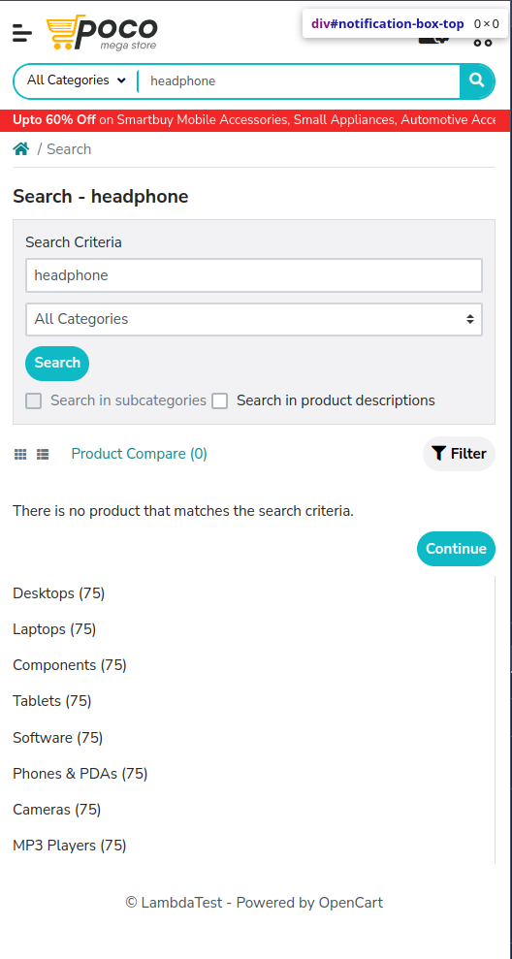
Home Page | HP-003 | Functional | Check that the navigation menu displays all categories. | None | 1. Visit the URL on the browser: https://ecommerce-playground.lambdatest.io/index.php?route=common/home | N/A | Navigation menu should display all categories correctly. | All categories displayed correctly. | Pass
Home Page | HP-004 | Functional | Verify that the search bar functions correctly. | None | 1. Visit the URL on the browser: https://ecommerce-playground.lambdatest.io/index.php?route=common/home | N/A | Search results should be relevant to the query entered. | Search results are not displayed relevant products. | Fail | 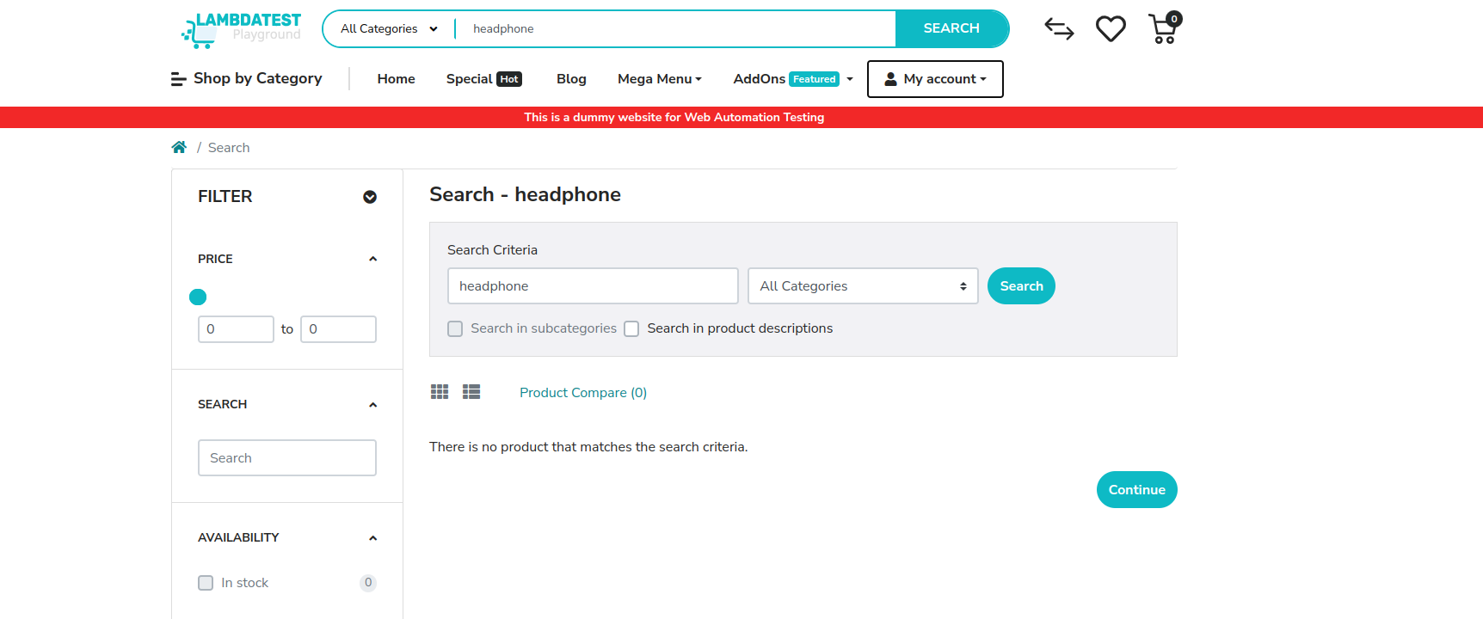
Home Page | HP-005 | Functional | Test that featured products are displayed correctly. | None | 1. Visit the URL on the browser: https://ecommerce-playground.lambdatest.io/index.php?route=common/home | N/A | Featured products should display images, prices, and titles correctly. | Featured products are displayed correctly. | Pass
Home Page | HP-006 | Functional | Ensure promotional banners are visible and functional. | None | 1. Visit the URL on the browser: https://ecommerce-playground.lambdatest.io/index.php?route=common/home | N/A | Promotional banners should be clickable and lead to the correct pages. | Promotional banners clickable, redirected to correct pages. | Pass
Home Page | HP-007 | Functional | Verify footer links are present and functional. | None | 1. Visit the URL on the browser: https://ecommerce-playground.lambdatest.io/index.php?route=common/home | N/A | Footer should have links to About Us, Contact Us, Privacy Policy, etc. | Footer links are not present. | Fail | 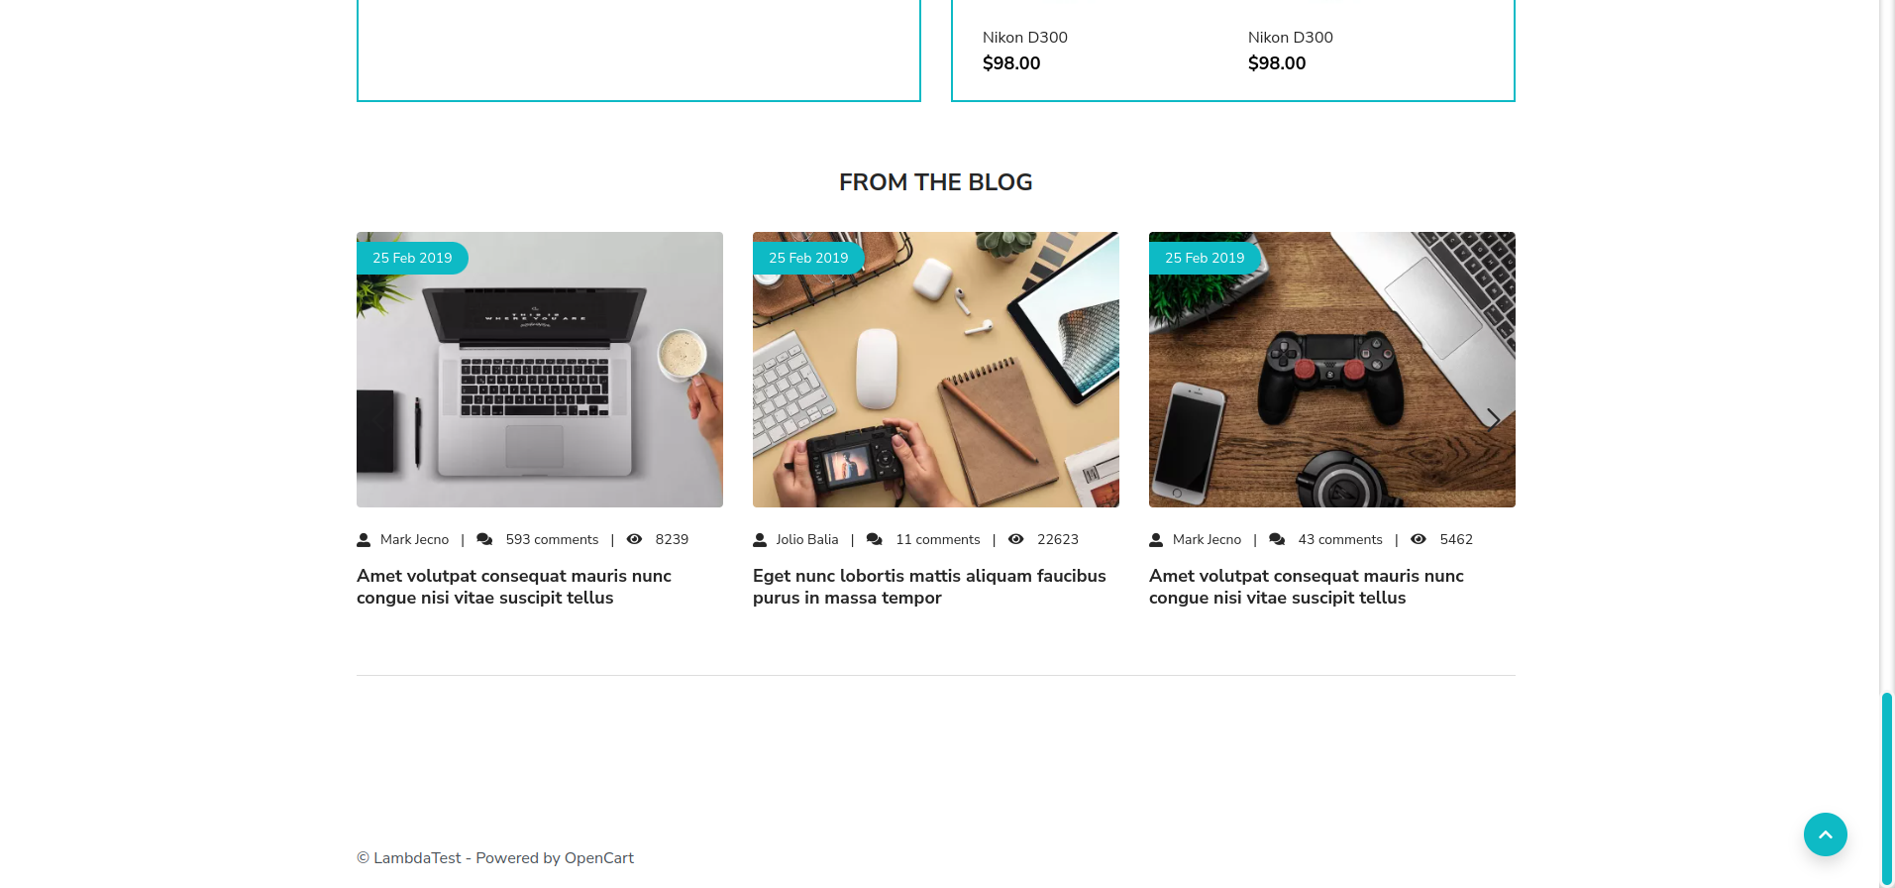
Home Page | HP-008 | Functional | Check that clicking the site logo redirects to the homepage. | None | 1. Visit the URL on the browser: https://ecommerce-playground.lambdatest.io/index.php?route=common/home | N/A | Clicking the logo should redirect to the homepage. | Clicking the logo redirected to homepage. | Pass
Home Page | HP-009 | Functional | Verify the homepage layout on mobile devices. | None | 1. Visit the URL on a mobile device: https://ecommerce-playground.lambdatest.io/index.php?route=common/home | N/A | Homepage should display correctly on mobile devices without any layout issues. | Homepage displayed correctly on mobile devices. | Pass
Home Page | HP-010 | Functional | Verify the homepage layout on tablets. | None | 1. Visit the URL on a tablet: https://ecommerce-playground.lambdatest.io/index.php?route=common/home | N/A | Homepage should display correctly on tablets without any layout issues. | Homepage displayed correctly on tablets. | Pass
Home Page | HP-011 | Functional | Verify the homepage layout on desktops. | None | 1. Visit the URL on a desktop: https://ecommerce-playground.lambdatest.io/index.php?route=common/home | N/A | Homepage should display correctly on desktops without any layout issues. | Homepage displayed correctly on desktops. | Pass
Home Page | HP-012 | Functional | Ensure the homepage loads within an acceptable time. | None | 1. Measure load time when accessing the homepage. | N/A | Homepage should load in under 3 seconds. | Homepage loaded in 2.5 seconds. | Pass
Home Page | HP-013 | Functional | Ensure the homepage is accessible over HTTPS. | None | 1. Visit the URL on the browser: https://ecommerce-playground.lambdatest.io/index.php?route=common/home | N/A | Homepage should load over HTTPS without any security warnings. | Homepage loaded over HTTPS with no security warnings. | Pass
Home Page | HP-014 | Functional | Verify the presence of contact information in the footer. | None | 1. Visit the URL on the browser: https://ecommerce-playground.lambdatest.io/index.php?route=common/home | N/A | Footer should display contact information clearly. | Contact information not displayed in footer. | Fail
Home Page | HP-015 | Functional | Verify that the homepage is responsive to window resizing. | None | 1. Visit the URL on the browser: https://ecommerce-playground.lambdatest.io/index.php?route=common/home | N/A | Elements should rearrange appropriately when window is resized. | Homepage elements adjusted correctly. | Pass
Home Page | HP-016 | Functional | Verify that the 'About Us' link directs to About Us page. | None | 1. Visit the URL on the browser: https://ecommerce-playground.lambdatest.io/index.php?route=common/home 2. Click on 'About Us' link. | N/A | User should be redirected to About Us page. | There is no About Us page link or page avaiable in the website. | Fail
Home Page | HP-017 | Functional | Verify that the 'Contact Us' link directs to Contact Us page. | None | 1. Visit the URL on the browser: https://ecommerce-playground.lambdatest.io/index.php?route=common/home 2. Click on 'Contact Us' link. | N/A | User should be redirected to Contact Us page. | There is no Contact Us page link or page avaiable in the website. | Fail
Home Page | HP-018 | Functional | Verify that the 'Privacy Policy' link directs to Privacy Policy page. | None | 1. Visit the URL on the browser: https://ecommerce-playground.lambdatest.io/index.php?route=common/home 2. Click on 'Privacy Policy' link. | N/A | User should be redirected to Privacy Policy page. | There is no Privacy Policy page link or page avaiable in the website. | Fail
Home Page | HP-019 | Functional | Verify that the 'Terms and Conditions' link directs to Terms page. | None | 1. Visit the URL on the browser: https://ecommerce-playground.lambdatest.io/index.php?route=common/home 2. Click on 'Terms and Conditions' link. | N/A | User should be redirected to Terms and Conditions page. | There is no Terms and Conditions page link or page avaiable in the website. | Fail
Home Page | HP-020 | Functional | Verify that the 'FAQ' link directs to FAQ page. | None | 1. Visit the URL on the browser: https://ecommerce-playground.lambdatest.io/index.php?route=common/home 2. Click on 'FAQ' link. | N/A | User should be redirected to FAQ page. | There is no FAQ page link or page avaiable in the website. | Fail
Home Page | HP-021 | Functional | Verify that the 'Returns Policy' link directs to the Returns Policy page. | None | 1. Visit the URL on the browser: https://ecommerce-playground.lambdatest.io/index.php?route=common/home 2. Click on the 'Returns Policy' link. | N/A | User should be redirected to the Returns Policy page. | There is no Returns Policy page link or page avaiable in the website. | Fail
Home Page | HP-022 | Functional | Verify that the 'Store Locator' link directs to the Store Locator page. | None | 1. Visit the URL on the browser: https://ecommerce-playground.lambdatest.io/index.php?route=common/home 2. Click on the 'Store Locator' link. | N/A | User should be redirected to the Store Locator page. | There is no Store Locator page link or page avaiable in the website. | Fail
Home Page | HP-023 | Functional | Verify that the 'Careers' link directs to the Careers page. | None | 1. Visit the URL on the browser: https://ecommerce-playground.lambdatest.io/index.php?route=common/home 2. Click on the 'Careers' link. | N/A | User should be redirected to the Careers page. | There is no Careers page link or page avaiable in the website. | Fail
Home Page | HP-024 | Functional | Verify that the product images and names displayed on the homepage category banner match. | 1. Homepage is accessible. 2. Category banner is displayed. | 1. Visit the URL on the browser: https://ecommerce-playground.lambdatest.io/index.php?route=common/home 2. Locate the category banner. 3. Verify each product image and name pair. | 1. Category banner products. 2. Product images and names. | Product images match corresponding product names, No mismatch between images and names. | Product images do not match corresponding product names, Mismatch between images and names observed. | Fail
Registration Page | REG001 | Functional | Verify successful registration with valid data | None | 1. Visit the URL: https://ecommerce-playground.lambdatest.io/index.php?route=account/register 2. Goto the My Account 3. Click on Registration 4. Click on New Customer 4. Enter Valid Information 5. Submit | Name : Mohit singh Email: mohit@gmail.com Mobile Number : 9888736265 Password : Mohit@123 | User should be registered successfully and redirected. | User was successfully registered and redirected to the account page. | Pass
Registration Page | REG002 | Functional | Verify registration with existing email | Email already exists | 1. Visit the URL: https://ecommerce-playground.lambdatest.io/index.php?route=account/register 2. Goto the My Account 3. Click on Registration 4. Click on New Customer 5. Fill in details with an existing email 6. Click 'Continue' | Name : Mohit singh Email: mohit@gmail.com Mobile Number : 9888736265 Password : Mohit@123 | Error message should indicate email already in use. | Error message ' Warning: E-Mail Address is already registered!' displayed correctly. | Pass
Registration Page | REG003 | Functional | Verify registration with invalid email format | None | 1. Visit the URL: https://ecommerce-playground.lambdatest.io/index.php?route=account/register 2. Goto the My Account 3. Click on Registration 4. Click on New Customer 4. Enter iinvalid email format 5. Click 'Continue | Name : Mohit singh Email: mohit@gmail.con, mohitt@gami.com Mobile Number : 9888736265 Password : Mohit@123 | Error message for invalid email format should appear. | User was successfully registered and redirected to the account page. | Fail
Registration Page | REG004 | Functional | Verify registration with empty mandatory fields | None | 1. Visit the URL: https://ecommerce-playground.lambdatest.io/index.php?route=account/register 2. Goto the My Account 3. Click on Registration 4. Click on New Customer 4. Leave empty mandatory fields 5. Click 'Continue | N/A | Error messages should indicate required fields. | Error messages for missing mandatory fields displayed correctly. | Pass
Registration Page | REG005 | Functional | Verify password strength validation | None | 1. Visit the URL: https://ecommerce-playground.lambdatest.io/index.php?route=account/register 2. Enter a weak password 3. Click 'Continue' | Name : Mohit singh Email: mohit@gmail.con Mobile Number : 9888736265 Password : 1234 | Error message indicating weak password should appear. | Weak password ("1234") accepted without warning. | Fail
Registration Page | REG006 | Functional | Verify user is logged in after registration | None | 1. Complete registration 2. Visit the URL: https://ecommerce-playground.lambdatest.io/index.php?route=account/ 3.Goto the My Account 4. Click on Registration 5. Click on Login 6. Click 'Continue | N/A | User should be logged in automatically. | User was automatically logged in after successful registration. | Pass
Registration Page | REG007 | Functional | Verify registration with mismatched passwords | None | 1. Visit the URL: https://ecommerce-playground.lambdatest.io/index.php?route=account/register 2. Enter mismatched passwords 3. Click 'Continue' | N/A | Error message for password mismatch should appear. | Error message 'Passwords do not match' displayed correctly. | Pass
Registration Page | REG008 | Functional | Verify terms and conditions acceptance | None | 1. Visit the URL: https://ecommerce-playground.lambdatest.io/index.php?route=account/register 2. Do not check 'Accept Terms' 3. Click 'Continue' | N/A | Error message indicating acceptance of terms should appear. | There is no Term and Condition check box present in registration page. | Fail
Registration Page | REG009 | Functional | Verify user receives confirmation email | Valid email | 1. Complete registration 2. Check the email inbox 3. Verify email from the site | N/A | Confirmation email should be received. | No confirmation email received. | Fail
Registration Page | REG010 | Functional | Verify the registration page loads successfully | None | 1. Visit the URL: https://ecommerce-playground.lambdatest.io/index.php?route=account/register | N/A | Registration page should load without errors. | Registration page loaded successfully without errors. | Pass
Registration Page | REG011 | Functional | Verify successful registration with all optional fields | None | 1. Visit the URL: https://ecommerce-playground.lambdatest.io/index.php?route=account/register 2. Fill in all optional fields 3. Click 'Continue' | N/A | User should be registered successfully with all fields. | User was successfully registered with all optional fields filled in. | Pass
Registration Page | REG012 | Functional | Verify registration with special characters in fields | None | 1. Visit the URL: https://ecommerce-playground.lambdatest.io/index.php?route=account/register 2. Enter special characters in the name field 3. Click 'Continue' | Name : @joy% Email: mohiiiit@gmail.com Mobile Number : 9888736265 Password : 1234 | Error message for invalid characters should appear. | No error message for invalid characters displayed correctly. | Fail | 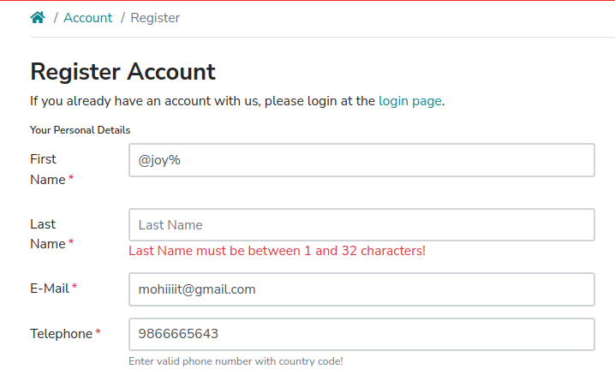
Registration Page | REG013 | Functional | Verify registration with leading/trailing spaces | None | 1. Visit the URL: https://ecommerce-playground.lambdatest.io/index.php?route=account/register 2. Enter spaces in mandatory fields 3. Click 'Continue' | N/A | Error message indicating required fields should appear. | Error message 'Field cannot contain only spaces' displayed correctly. | Pass
Registration Page | REG014 | Functional | Verify form reset functionality | None | 1. Visit the URL: https://ecommerce-playground.lambdatest.io/index.php?route=account/register 2. Fill in details 3. Click 'Reset' | N/A | All fields should be cleared. | Reset functionality isn't available. | Fail | 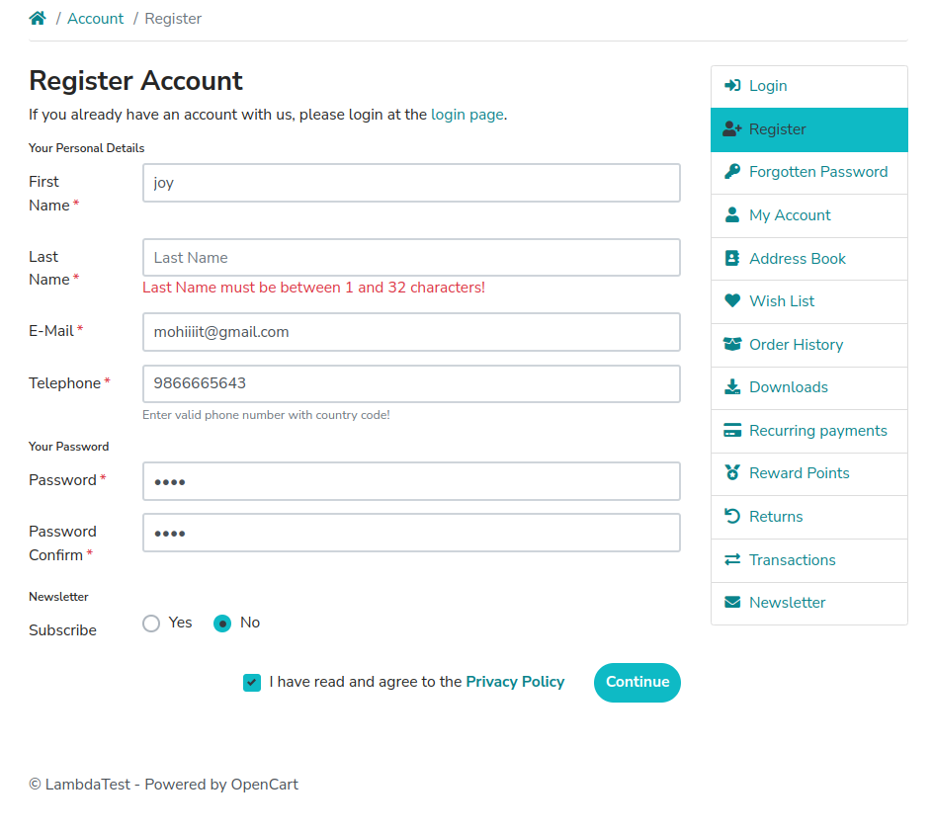
Registration Page | REG015 | Compatibility | Verify browser compatibility for registration | None | 1. Open different browsers 2. Visit the URL: https://ecommerce-playground.lambdatest.io/index.php?route=account/register 3. Check functionality | N/A | Registration page should function correctly in all browsers. | Registration page functioned correctly on Chrome, Firefox, and Safari. | Pass
Registration Page | REG016 | Functional | Verify successful registration with maximum field lengths | None | 1. Visit the URL: https://ecommerce-playground.lambdatest.io/index.php?route=account/register 2. Enter maximum allowed characters in all fields 3. Click 'Continue' | N/A | User should be registered successfully. | User was successfully registered with maximum field lengths. | Pass
Registration Page | REG017 | Functional | Verify the presence of 'Back to Login' link | None | 1. Visit the URL: https://ecommerce-playground.lambdatest.io/index.php?route=account/register | N/A | Back to Login' link should be present and functional. | Back to Login' link was present and functional. | Pass
Registration Page | REG018 | Functional | Verify email notifications for registration completion | Valid email | 1. Complete registration 2. Check for notification in user dashboard 3. Verify email notification | N/A | Notification of successful registration should appear. | No registration notification was sent to the user dashboard. | Fail
Registration Page | REG019 | Functional | Verify password confirmation field visibility | None | 1. Visit the URL: https://ecommerce-playground.lambdatest.io/index.php?route=account/register 2.Check visibility of password confirmation field | N/A | Password confirmation field should be visible . | Password confirmation field was not visible on the registration page . | Fail
Registration Page | REG020 | Performance | Verify loading speed of the registration page | None | 1. Visit the URL: https://ecommerce-playground.lambdatest.io/index.php?route=account/register | N/A | Page should load within acceptable time limits | The page loaded in 2.3 seconds, which is within acceptable limits | Pass
Registration Page | REG021 | Functional | Verify the effectiveness of the 'Resend Confirmation Email' functionality | Valid email | 1. Complete registration 2. Click 'Resend Confirmation Email' | Valid email | User should receive the confirmation email again | Resend Confirmation email functionality is not pesent in the website. | Fail
Registration Page | REG022 | Functional | Verify behavior when navigating away during registration | None | 1. Visit the URL 2. Fill in details 3. Navigate away from the page | N/A | Form data should be retained if returning to the page | Form data was retained after returning to the page | Pass
Registration Page | REG023 | Security | Verify security measures during registration | None | 1. Visit the URL: https://ecommerce-playground.lambdatest.io/index.php?route=account/register 2. Monitor for secure connections (HTTPS) | N/A | Connection should be secure (HTTPS) | The connection was secure with HTTPS protocol | Pass
Registration Page | REG024 | Functional | Verify field focus after errors | None | 1. Submit the form with errors 2. Check field focus | N/A | Cursor should focus on the first error field | Cursor correctly not focused on the first error field | Fail | 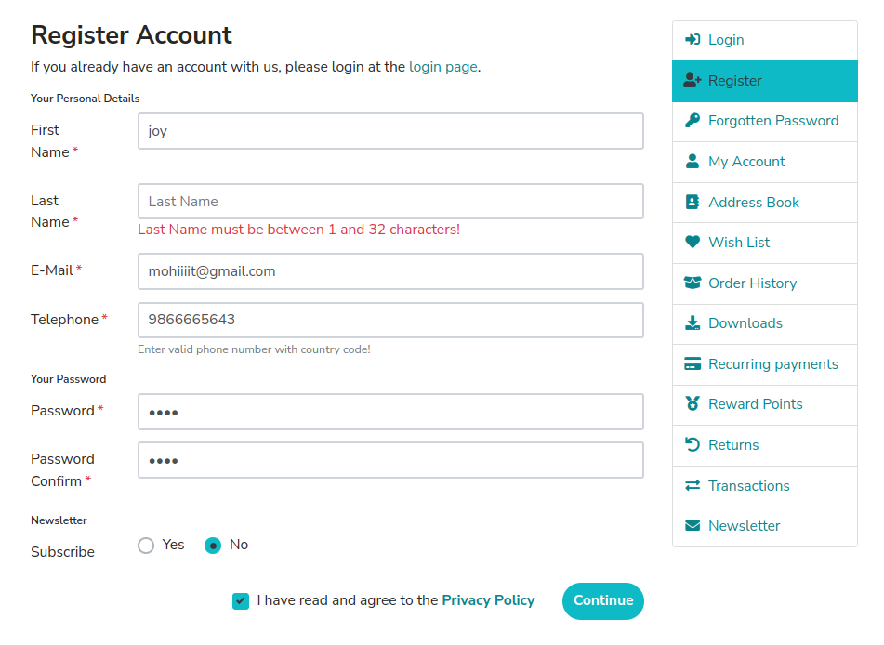
Registration Page | REG025 | UI | Verify visual indicators for successful registration | None | 1. Complete registration; 2. Check for visual confirmation (e.g., green tick) | N/A | Confirmation should be visually indicated | Green tick was shown indicating successful registration | Pass
Registration Page | REG026 | Localization | Verify that users can switch between registration languages | None | 1. Switch languages 2. Fill out the form | N/A | Page should display in the selected language | Functionality isn't available | Fail
Registration Page | REG027 | Functional | Verify form validation messages | None | 1. Fill in fields with invalid data 2. Click 'Continue' | Name : Jay Singh Email: jaay.gmail.com Mobile Number :12345 Password : 1234 | Specific validation messages should appear for each error | 1. Validation error messages are not displayed or incomplete. 2. Registration shows as successful despite invalid data. | Pass
Registration Page | REG028 | Functional | Verify successful registration through social login | Social media account | 1. Click on social login button 2. Authorize access | N/A | User should be registered and logged in | Registration via social login (Google)Functionality isn't available | Fail
Registration Page | REG029 | Performance | Verify completion of registration during peak load | None | 1. Visit the URL during peak times; 2. Complete registration | N/A | Registration should be successful without delays | Registration was completed successfully despite high traffic | Pass
Registration Page | REG030 | UI | Verify UI responsiveness of the registration page | None | 1. Visit the URL on different devices (mobile, tablet, desktop) 2. Check layout and functionality | N/A | Page should be responsive and functional across devices | Page was responsive and functional on mobile, tablet, and desktop | Pass
Registration Page | REG031 | Functional | Verify registration attempts from various IP addresses | None | 1. Use different IP addresses 2. Visit the URL | N/A | Registration should work from all IP addresses | Registration worked correctly from different IP addresses | Pass
Registration Page | REG032 | Accessibility | Verify user interface elements' accessibility | None | 1. Check elements for accessibility (e.g., alt texts) | N/A | All elements should be accessible and user-friendly | All UI elements were accessible and had correct alt texts. | Pass
Registration Page | REG033 | Functional | Verify timeout behavior during registration | None | 1. Leave page idle for a specified duration. | N/A. | User should be warned of session timeout. | User not Warned of session timout | Fail
Login Page | LOG001 | Functional | Verify successful login with valid credentials | Valid account | 1. Visit the URL: https://ecommerce-playground.lambdatest.io/index.php?route=account/login 2. Click on My Account 3. Click on Login 4. Enter valid email and password 5. Click 'Login' | Email: mohit@gmail.com Password : Mohit@123 | User should be logged in successfully | User successfully logged in | Pass
Login Page | LOG002 | Functional | Verify login with invalid credentials | None | 1. Visit the URL: https://ecommerce-playground.lambdatest.io/index.php?route=account/login 2. Click on My Account 3. Click on Login 4. Enter invalid email and/or password 5. Click 'Login' | Email: jay@gmail.com Password : 1234 | Error message for invalid credentials should appear | Error message displayed "Warning: No match for E-Mail Address and/or Password." | Pass
Login Page | LOG003 | Functional | Verify login with empty fields | None | 1. Visit the URL: https://ecommerce-playground.lambdatest.io/index.php?route=account/login 2. Click on My Account 3. Click on Login 4. Leave email and password fields empty 5. Click 'Login' | N/A | Error messages for required fields should appear | Error messages appeared for both empty fields | Pass
Login Page | LOG004 | Functional | Verify password visibility toggle | None | 1. Visit the URL: https://ecommerce-playground.lambdatest.io/index.php?route=account/login 2. Enter password 3. Click on the eye icon to toggle visibility | N/A | Password should toggle between visible and hidden | Password visibility toggle not available. | Fail | 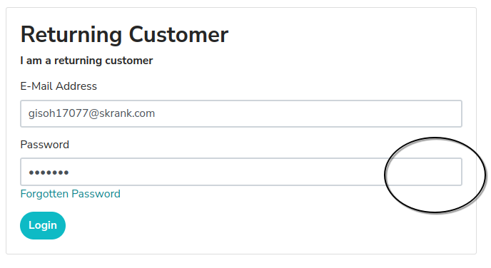
Login Page | LOG005 | Functional | Verify 'Forgot Password' functionality | Registered email | 1. Visit the URL: https://ecommerce-playground.lambdatest.io/index.php?route=account/login 2. Click on 'Forgot Password' 3. Enter registered email and submit | Registered email | User should receive a password reset email | Password reset email wasn't received | Fail
Login Page | LOG006 | Functional | Verify session timeout | Valid account | 1. Log in successfully 2. Wait for the session to timeout 3. Try to access a restricted page | N/A | User should be redirected to the login page | User was not redirected to the login page after session timeout | Fail
Login Page | LOG007 | Functional | Verify login page loads successfully | None | 1. Visit the URL: https://ecommerce-playground.lambdatest.io/index.php?route=account/login | N/A | Login page should load without errors | Page loaded successfully without errors | Pass
Login Page | LOG008 | Functional | Verify login attempt limits | None | 1. Visit the URL: https://ecommerce-playground.lambdatest.io/index.php?route=account/login 2. Enter incorrect credentials multiple times 3. Click 'Login' | Email: jay@gmail.co Password : 00000 | User should be temporarily locked out after multiple failures | User was locked out after 5 failed attempts And error message is displayed "Your account has exceeded allowed number of login attempts. Please try again in 1 hour." | Pass
Login Page | LOG009 | Functional | Verify successful logout | Logged-in account | 1. Visit the URL: https://ecommerce-playground.lambdatest.io/index.php?route=account/account 2. Click 'Logout' | N/A | User should be logged out and redirected to the homepage | User was logged out and redirected to homepage | Pass
Login Page | LOG010 | Functional | Verify the presence of 'Back to Registration' link | None | 1. Visit the URL: https://ecommerce-playground.lambdatest.io/index.php?route=account/login | N/A | Back to Registration' link should be present and functional | Link was present and functional | Pass
Login Page | LOG011 | Functional | Verify form reset functionality | None | 1. Visit the URL: https://ecommerce-playground.lambdatest.io/index.php?route=account/login 2. Fill in details 3. Click 'Reset' | N/A | All fields should be cleared | Reset fields functionality isn't available. | Fail
Login Page | LOG012 | Compatibility | Verify browser compatibility for login | None | 1. Open different browsers 2. Visit the URL: https://ecommerce-playground.lambdatest.io/index.php?route=account/login 3. Check functionality | Different browsers (Chrome, Firefox, Edge) | Login page should function correctly in all browsers | Worked correctly on all browsers tested | Pass
Login Page | LOG013 | Functional | Verify error messages for slow connections | None | 1. Visit the URL: https://ecommerce-playground.lambdatest.io/index.php?route=account/login 2. Simulate slow internet 3. Attempt to log in | Simulated slow connection | Appropriate error messages should appear for slow connections | No error message appeared for slow connection | Fail
Login Page | LOG014 | Functional | Verify two-factor authentication for login | Valid account with 2FA | 1. Visit the URL: https://ecommerce-playground.lambdatest.io/index.php?route=account/login 2. Log in with valid credentials 3. Enter 2FA code | Valid credentials with 2FA | User should be able to log in successfully after entering 2FA code | No two-factor authentication for login functionality is available. | Fail
Login Page | LOG015 | Functional | Verify error logging for failed login attempts | None | 1. Visit the URL: https://ecommerce-playground.lambdatest.io/index.php?route=account/login 2. Attempt to log in with invalid credentials | Email: jay@gmail.co Password : 00000 | Failed login attempts should be logged | Error logs were generated as expected | Pass
Login Page | LOG016 | Functional | Verify redirection after successful login | Valid account | 1. Visit the URL: https://ecommerce-playground.lambdatest.io/index.php?route=account/login 2. Enter valid credentials 3. Click 'Login' | Email: mohit@gmail.com Password : Mohit@123 | User should be redirected to the correct dashboard | User was redirected to the correct dashboard | Pass
Login Page | LOG017 | Compatibility | Verify login functionality on different devices | None | 1. Visit the URL on various devices (mobile, tablet, desktop) 2. Attempt to log in | N/A | Login should work on all devices without issues | Login worked on all devices as expected | Pass
Login Page | LOG018 | Securitiy | Verify the presence of security indicators | None | 1. Visit the URL: https://ecommerce-playground.lambdatest.io/index.php?route=account/login | N/A | Security indicators (e.g., HTTPS, lock icon) should be visible | Security indicators were visible. | Pass
Login Page | LOG019 | Functional | Verify the presence of terms and conditions link | None | 1. Visit the URL: https://ecommerce-playground.lambdatest.io/index.php?route=account/login | N/A | Terms and conditions link should be present and functional. | Link was not present and functional. | Pass
Login Page | LOG020 | Functional | Verify automatic logout on inactivity | Logged-in account | 1. Log in successfully 2. Leave the session inactive for a specified duration. | N/A. | User should be logged out automatically after inactivity. | User was not logged out after specified inactivity time. | Fail
Login Page | LOG021 | Functional | Verify password reset functionality | Registered email | 1. Visit the URL: https://ecommerce-playground.lambdatest.io/index.php?route=account/login 2. Click on 'Forgot Password' 3. Enter email and submit. | Registered email. | User should receive password reset instructions. | Reset email was not received. | Fail
Login Page | LOG022 | Functional | Verify the presence of help or support link | None | 1. Visit the URL: https://ecommerce-playground.lambdatest.io/index.php?route=account/login. | N/A. | Help or support link should be available. | Link was not available and functional. | Fail
Login Page | LOG023 | Functional | Verify successful login through social media | Social media account | 1. Visit the URL: https://ecommerce-playground.lambdatest.io/index.php?route=account/login 2. Click on social login button 3. Authorize access. | Social media account. | User should be logged in successfully through social media. | Social media login functionality isn't available. | Fail
Login Page | LOG024 | Compatibility | Verify browser compatibility for login page | None | 1. Test login functionality on different browsers (Chrome, Firefox, Safari, Edge) 2. Check functionality. | N/A. | Login page should work without issues on all tested browsers. | Worked as expected across all browsers. | Pass
Login Page | LOG025 | Functional | Verify the presence of session management features | None | 1. Log in successfully 2. Check session management options in account settings. | N/A. | Session management options should be available to users. | Session management options were present. | Pass
Login Page | LOG026 | Functional | Verify login for multiple users concurrently | Multiple accounts | 1. Log in with multiple users simultaneously 2. Check functionality. | Multiple accounts. | All users should be able to log in without issues. | All users logged in successfully without issues. | Pass
Login Page | LOG027 | Functional | Verify the password recovery process | Registered email | 1. Visit the URL: https://ecommerce-playground.lambdatest.io/index.php?route=account/login 2. Click on 'Forgot Password' 3. Enter registered email. | Registered email. | User should receive a recovery link. | No recovery link was received. | Fail
Login Page | LOG028 | Functional | Verify password strength indicator | None | 1. Visit the URL: https://ecommerce-playground.lambdatest.io/index.php?route=account/login 2. Enter weak password 3.Check strength indicator. | Weak password. | Strength indicator should indicate weak password. | Strength indicator is absent. | Fail
Login Page | LOG029 | Securitiy | Verify multi-factor authentication | Valid account | 1.Log in with valid credentials 2.Follow multi-factor authentication process 3.Log in successfully. | Valid credentials with MFA. | User should be able to log in successfully with multi-factor authentication | Multi-factor authentication option is not available. | Fail
Login Page | LOG030 | Functional | Verify browser autocomplete functionality | None | 1. Visit the URL: https://ecommerce-playground.lambdatest.io/index.php?route=account/login 2. Enter email and password ; Check autocomplete behavior | N/A | Fields should allow browser autocomplete | Autocomplete worked as expected | Pass
Login Page | LOG031 | Functional | Verify user redirection post login | Valid account | 1. Visit the URL: https://ecommerce-playground.lambdatest.io/index.php?route=account/login 2.Log in successfully | Valid credentials | User should be redirected to appropriate landing page | User was redirected to appropriate landing page | Pass
Account Management | ACC001 | Functional | Verify user can view account details | Logged-in account | 1. Visit the URL: https://ecommerce-playground.lambdatest.io/index.php?route=account/account 2. Check account details | N/A | User should see their account details displayed | Account details displayed correctly | Pass
Account Management | ACC002 | Functional | Verify user can edit account information | Logged-in account | 1. Visit the URL: https://ecommerce-playground.lambdatest.io/index.php?route=account/account 2. Go to My Account 3. Click Edit Account 4. Edit details 5. Click Continue | Updated account details | Changes should be saved successfully | Changes saved successfully | Pass
Account Management | ACC003 | Functional | Verify user can change password | Logged-in account | 1. Visit the URL: https://ecommerce-playground.lambdatest.io/index.php?route=account/account 2. Go to My Account 3. Click Password 4. Fill Password & Confirm Password 5. Click Continue | Current password and new password | Password should be changed successfully | Password changed successfully | Pass
Account Management | ACC004 | Functional | Verify user can view order history | Logged-in account | 1. Visit the URL: https://ecommerce-playground.lambdatest.io/index.php?route=account/order 2. Check order history | N/A | User should see their order history displayed | Order history displayed correctly | Pass
Account Management | ACC005 | Functional | Verify user can view wishlist | Logged-in account | 1. Visit the URL: https://ecommerce-playground.lambdatest.io/index.php?route=account/wishlist 2. Check wishlist | N/A | User should see their wishlist items displayed | Wishlist items displayed correctly | Pass
Account Management | ACC006 | Functional | Verify user can logout | Logged-in account | 1. Visit the URL: https://ecommerce-playground.lambdatest.io/index.php?route=account/account 2. Click 'Logout' | N/A | User should be logged out successfully | Logout successful | Pass
Account Management | ACC007 | Functional | Verify user can delete account | Logged-in account | 1. Visit the URL: https://ecommerce-playground.lambdatest.io/index.php?route=account/account 2. Click 'Delete Account' | N/A | Account should be deleted successfully | Account deleted option is not available. | Fail
Account Management | ACC008 | Functional | Verify user can view newsletter subscriptions | Logged-in account | 1. Visit the URL: https://ecommerce-playground.lambdatest.io/index.php?route=account/newsletter 2. Check subscriptions | N/A | User should see their newsletter subscriptions | Newsletter subscriptions displayed correctly | Pass
Account Management | ACC009 | Functional | Verify user can manage address book | Logged-in account | 1. Visit the URL: https://ecommerce-playground.lambdatest.io/index.php?route=account/address 2. Add/Edit/Delete addresses | Address details | Address book should be updated successfully | Address book updated successfully | Pass
Account Management | ACC010 | Functional | Verify user can set default billing address | Logged-in account | 1. Visit the URL: https://ecommerce-playground.lambdatest.io/index.php?route=account/address 2. Set default billing address | Address details | Default billing address should be set successfully | Default billing address set successfully | Pass
Account Management | ACC011 | Functional | Verify user can manage payment options | Logged-in account | 1. Visit the URL: https://ecommerce-playground.lambdatest.io/index.php?route=account/payment 2. Add/Edit/Delete payment options | Payment details | Payment options should be updated successfully | Payment options Not available | Fail
Account Management | ACC012 | Functional | Verify user can manage notifications | Logged-in account | 1. Visit the URL: https://ecommerce-playground.lambdatest.io/index.php?route=account/account 2. Click on 'Notifications' 3. Update settings | Notification preferences | Notification settings should be updated successfully | Notification settings not working correctly | Fail
Account Management | ACC013 | Functional | Verify user can download order invoice | Logged-in account | 1. Visit the URL: https://ecommerce-playground.lambdatest.io/index.php?route=account/order 2. Click on an order 3. Click 'Download Invoice' | N/A | Order invoice should download successfully. | Order invoice download Functionlaity isn't available. | Fail | 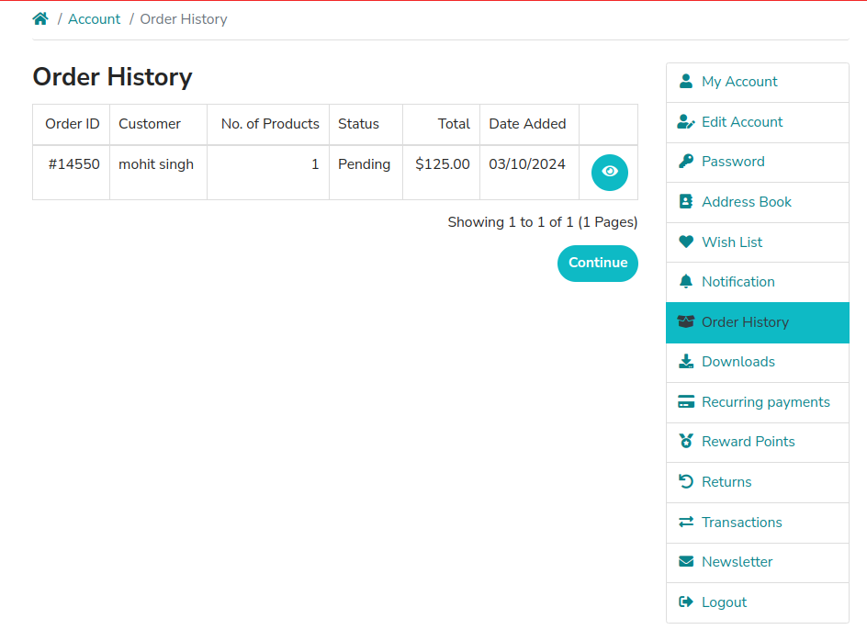
Account Management | ACC014 | Functional | Verify user can access support for account issues | Logged-in account | 1. Visit the URL: https://ecommerce-playground.lambdatest.io/index.php?route=account/support 2.Check support options. | N/A. | User should see support options available. | Support options aren't available. | Fail
Product Management | PROD001 | Functional | Verify user can view product details | Valid product link | 1. Visit the URL: https://ecommerce-playground.lambdatest.io/index.php?route=common/home 2. Search for a product 3. View product details | N/A | Product details should be displayed correctly | Product details are not displayed correctly | Fail | 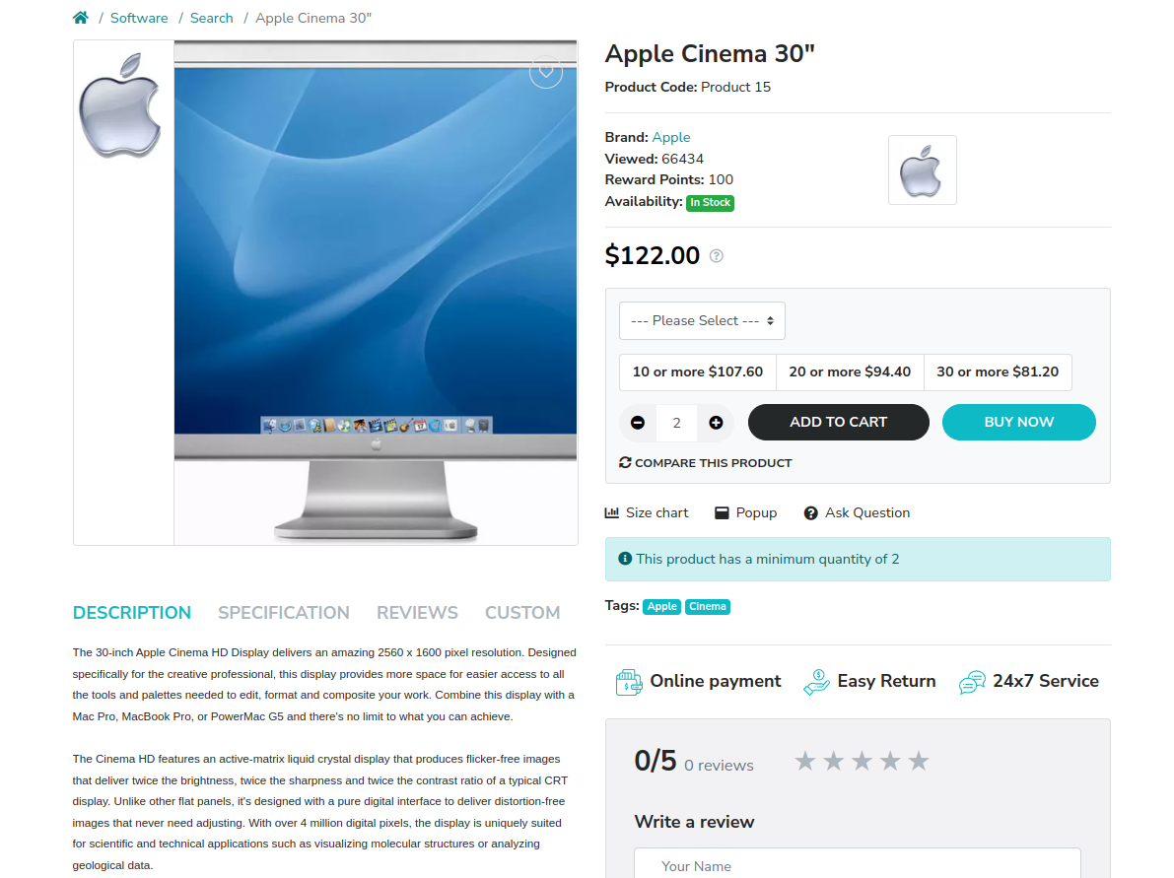
Product Management | PROD002 | Functional | Verify product price is displayed | Valid product link | 1. Visit the URL: https://ecommerce-playground.lambdatest.io/index.php?route=common/home 2. Search for a product 3. Verify product price | N/A | Product price should be displayed correctly | Product price displayed correctly | Pass
Product Management | PROD003 | Functional | Verify user can view product images | Valid product link | 1. Visit the URL: https://ecommerce-playground.lambdatest.io/index.php?route=common/home 2. Search for a product 3. View product images | Search for IPhone12 | Product images should be displayed | All product images is not displayed correctly | Fail | 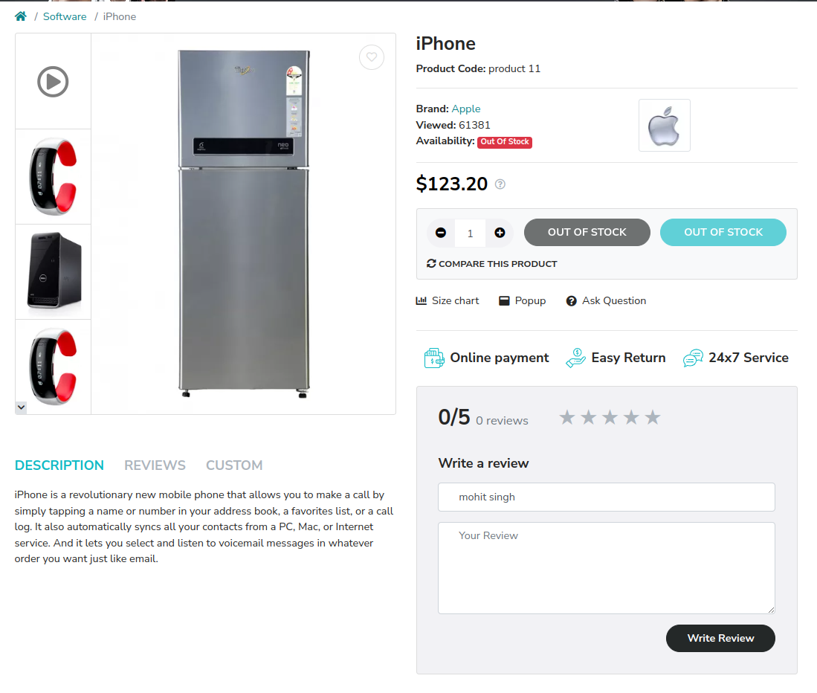
Product Management | PROD004 | Functional | Verify zoom functionality for product image | Valid product link | 1. Visit the URL: https://ecommerce-playground.lambdatest.io/index.php?route=common/home 2. Search for a product 3. Zoom in on product images | N/A | Product image zoom functionality should work correctly | Zoom functionality not worked as expected | Fail
Product Management | PROD005 | Functional | Verify product delivery details are shown | Valid product link | 1. Visit the URL: https://ecommerce-playground.lambdatest.io/index.php?route=common/home 2. Search for a product 3. View delivery details | N/A | Delivery details should be displayed (location, availability) | Delivery details are not displayed. | Fail | 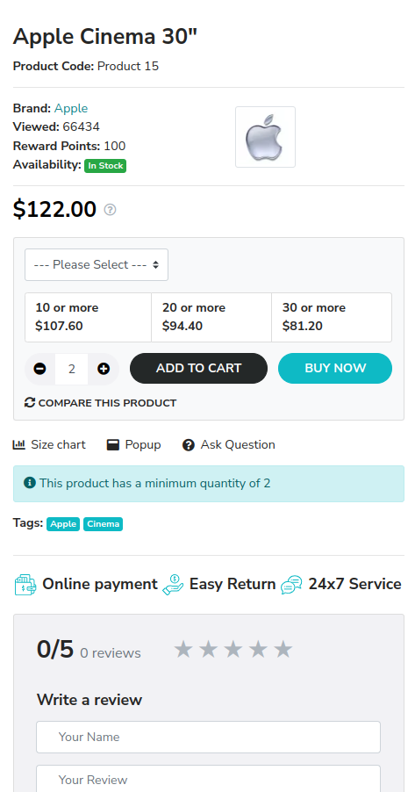
Product Management | PROD006 | Functional | Verify stock availability is displayed | Valid product link | 1. Visit the URL: https://ecommerce-playground.lambdatest.io/index.php?route=common/home 2. Search for a product 3. View stock status | N/A | Stock availability should be displayed correctly | Stock availability displayed correctly | Pass
Product Management | PROD007 | Functional | Verify seller information is displayed | Valid product link | 1. Visit the URL: https://ecommerce-playground.lambdatest.io/index.php?route=common/home 2. Search for a product 3. View seller information | N/A | Seller information should be displayed (e.g., 'Sold by X, Ships from Y') | Seller information isn't available | Fail | 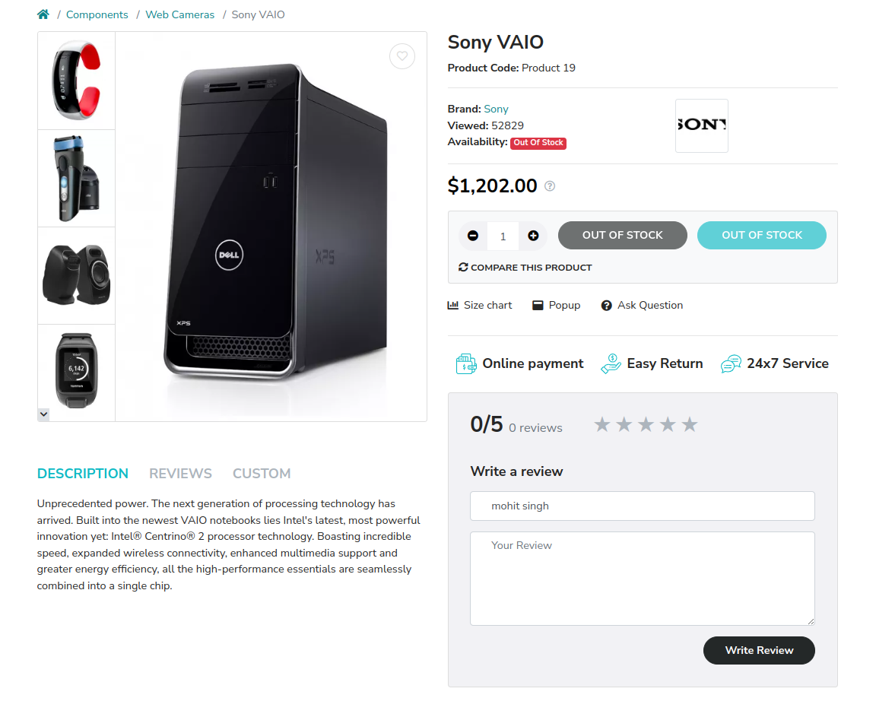
Product Management | PROD008 | Functional | Verify user can add product to cart | Valid product link | 1. Visit the URL: https://ecommerce-playground.lambdatest.io/index.php?route=common/home 2. Search for a product 3. Add product to cart | Product details | Product should be added to the cart successfully | Product added to the cart successfully | Pass
Product Management | PROD009 | Functional | Verify user can remove product from cart | Product in cart | 1. Visit the URL: https://ecommerce-playground.lambdatest.io/index.php?route=checkout/cart 2. Remove a product from the cart | Product details | Product should be removed from the cart successfully | Product removed from the cart successfully | Pass
Product Management | PROD010 | Functional | Verify user can view product reviews | Valid product link | 1. Visit the URL: https://ecommerce-playground.lambdatest.io/index.php?route=common/home 2. Search for a product 3. View product reviews | N/A | Product reviews should be displayed correctly | Product reviews displayed correctly | Pass
Product Management | PROD011 | Functional | Verify user can write a product review | Valid product link, Logged-in user | 1. Visit the URL: https://ecommerce-playground.lambdatest.io/index.php?route=common/home 2. Search for a product 3. Write a product review | Review details | Product review should be submitted successfully. | Product review submitted successfully. | Pass
Product Management | PROD012 | Functional | Verify product ratings are displayed | Valid product link | 1. Visit the URL: https://ecommerce-playground.lambdatest.io/index.php?route=common/home 2. Search for a product 3. View product ratings | N/A | Product ratings should be displayed correctly. | Product ratings aren't displayed. | Fail
Product Management | PROD013 | Functional | Verify user can add product to wishlist | Valid product link, Logged-in user | 1. Visit the URL: https://ecommerce-playground.lambdatest.io/index.php?route=common/home 2. Search for a product 3. Add product to wishlist | Product details | Product should be added to wishlist successfully. | Product added to wishlist successfully. | Pass
Product Management | PROD014 | Functional | Verify user can compare products | None | 1. Visit the URL: https://ecommerce-playground.lambdatest.io/index.php?route=common/home 2. Search for a product 3. Compare selected products. | Product details. | Products should be compared successfully. | Products compared functionality is not available. | Fail
Product Management | PROD015 | Functional | Verify coupon and offer information is displayed | Valid product link | 1. Visit the URL: https://ecommerce-playground.lambdatest.io/index.php?route=common/home 2. Search for a product 3. View coupon and offers. | Offer details. | Offers and coupons should be displayed correctly. | Offers and coupons are not available | Fail
Product Management | PROD016 | Functional | Verify EMI options are shown | Valid product link | 1. Visit the URL: https://ecommerce-playground.lambdatest.io/index.php?route=common/home 2. Search for a product 3.Check for EMI options. | EMI details. | EMI options should be displayed correctly. | EMI options is not available | Fail
Product Management | PROD017 | Functional | Verify additional information is displayed | Valid product link | 1.Visit the URL: https://ecommerce-playground.lambdatest.io/index.php?route=common/home 2.Search for a Product 3.View additional information | N/A | Additional Product Details Should Be Displayed Correctly | Additional Product Details are not available | Fail
Product Management | PROD018 | Functional | Verify manufacturer information is shown | Valid Product Link | 1.Visit the URL :https://ecommerce-playground.lambdatest.io/index.php?route=common/home 2.Search For A Product 3.View Manufacturer Details | N / A | Manufacturer Details Should Be Displayed | Manufacturer Details are not available | Fail
Product Management | PROD019 | Functional | Verify user can view Product Specifications | Valid Product Link | 1.Visit The URL : https://ecommerce-playground.lambdatest.io/index.php?route=common/home 2.Search For A Product 3.Check Specifications | product Details | product Specifications Should Be Displayed Correctly | Product Specifications Displayed Correctly | Pass
Product management | PROD020 | functional | verify user can view similar products | valid Product Link | 1.visit The URL : https://ecommerce-playground.lambdatest.io/index.php?route=common/home 2.Search For A Product 3.View Similar Products | N/A | Similar Products Should be displayed correctly | Similar Products are not available | Fail
Search | SEARCH001 | Functional | Verify user can search for a product by name | None | 1. Visit the URL: https://ecommerce-playground.lambdatest.io/index.php?route=common/home 2. Enter a known product name in the search bar 3. Click 'Search' | Product name: 'iPhone' | Relevant product results should be displayed | Relevant products not displayed | Fail | 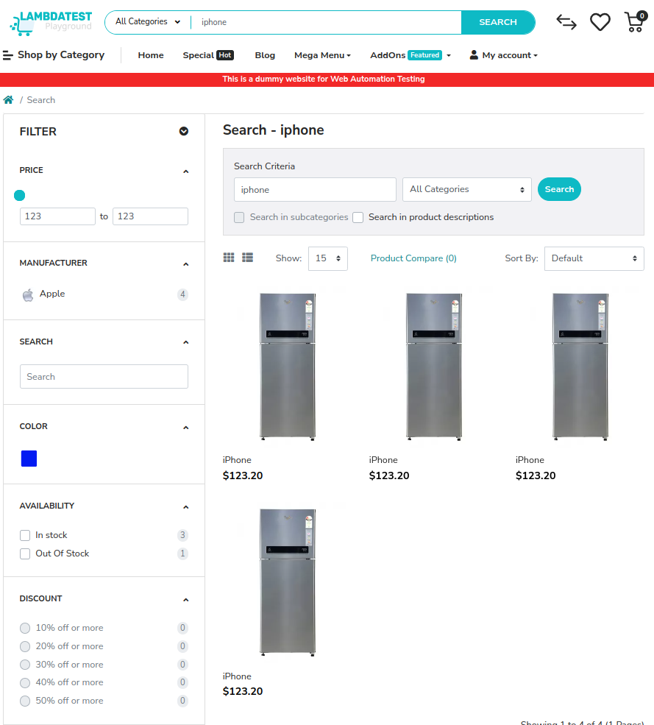
Search | SEARCH002 | Functional | Verify user can filter products by category | None | 1. Visit the URL: https://ecommerce-playground.lambdatest.io/index.php?route=common/home 2. Select a specific category filter | Category: 'Electronics' | Only products from the selected category should be displayed | Only Electronics products displayed | Fail | 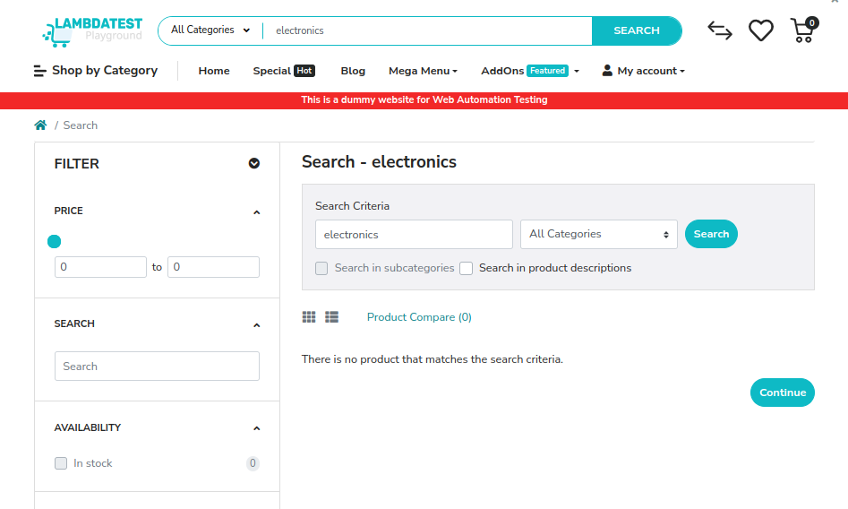
Search | SEARCH003 | Functional | Verify user can filter products by price range | None | 1. Visit the URL: https://ecommerce-playground.lambdatest.io/index.php?route=common/home 2. Set a price range filter | Price Range: '1000 - 2000' | Only products within the price range should be displayed | Products within the price range displayed | Pass
Search | SEARCH004 | Functional | Verify user can sort products by price (low to high) | None | 1. Visit the URL: https://ecommerce-playground.lambdatest.io/index.php?route=common/home 2. Select 'Sort by Price: Low to High' | N/A | Products should be displayed from lowest to highest price | Products displayed from low to high | Pass
Search | SEARCH005 | Functional | Verify user can sort products by price (high to low) | None | 1. Visit the URL: https://ecommerce-playground.lambdatest.io/index.php?route=common/home 2. Select 'Sort by Price: High to Low' | N/A | Products should be displayed from highest to lowest price | Products displayed from high to low | Pass
Search | SEARCH006 | Functional | Verify user can sort products by popularity | None | 1. Visit the URL: https://ecommerce-playground.lambdatest.io/index.php?route=product/category&path=20 2. Select 'Sort by Popularity' | N/A | Products should be displayed based on popularity | Popular products displayed | Pass
Search | SEARCH007 | Functional | Verify user can sort products by newest | None | 1. Visit the URL: https://ecommerce-playground.lambdatest.io/index.php?route=product/category&path=20 2. Select 'Sort by Newest' | N/A | Newest products should be displayed first | Newest products displayed | Pass
Search | SEARCH008 | Functional | Verify search results include product images | Search performed | 1. Visit the URL: https://ecommerce-playground.lambdatest.io/index.php?route=product/search 2. Perform a search for a known product | Product: 'iPhone' | All products in the search results should display images | Product images displayed but not correct image is displayed. | Fail | 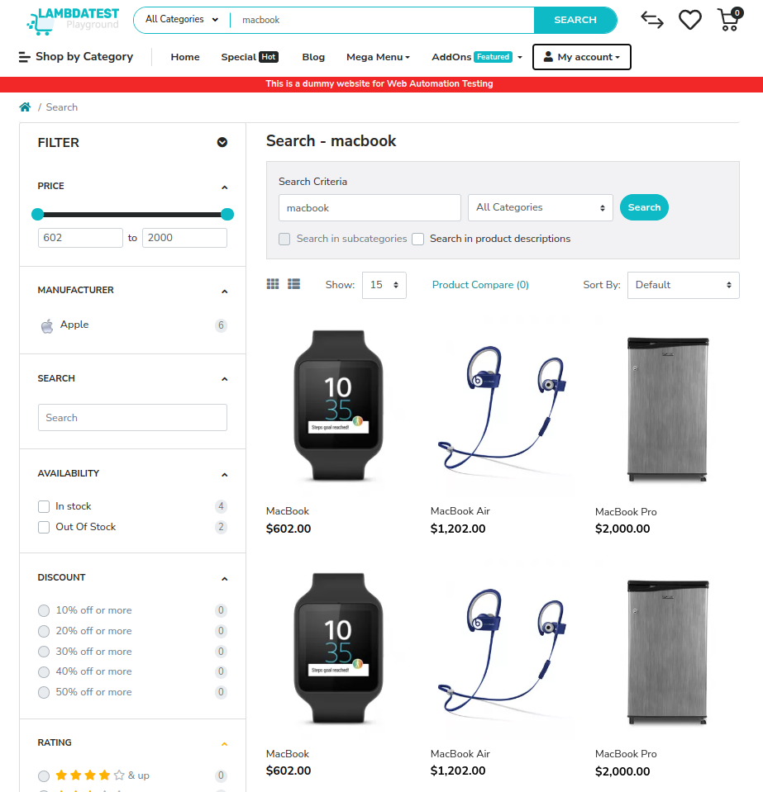
Search | SEARCH009 | Functional | Verify search results include product reviews | Search performed | 1. Visit the URL: https://ecommerce-playground.lambdatest.io/index.php?route=product/search 2. Perform a search for a known product | Product: 'iPhone' | All products in the search results should display reviews | Product reviews displayed | Pass
Search | SEARCH010 | Functional | Verify no results when searching for a non-existent product | None | 1. Visit the URL: https://ecommerce-playground.lambdatest.io/index.php?route=product/search 2. Enter a non-existent product name in the search bar 3. Click 'Search' | Product name: 'Washing Machine' | No products found message should be displayed | No products found message displayed | Pass
Search | SEARCH011 | Functional | Verify search suggestions for partial product name | None | 1. Visit the URL: https://ecommerce-playground.lambdatest.io/index.php?route=product/search 2. Enter a partial product name in the search bar | Partial name: 'iPh' | Relevant product suggestions should be displayed. | Relevant suggestions displayed. | Pass
Search | SEARCH012 | Functional | Verify user can search using keywords related to a product | None | 1. Visit the URL: https://ecommerce-playground.lambdatest.io/index.php?route=product/search 2. Enter keywords like 'gaming monitor' in the search bar 3.Click 'Search' | Keywords: 'gaming monitor' | Relevant product results related to the keywords should be displayed. | No relevant products displayed. | Fail | 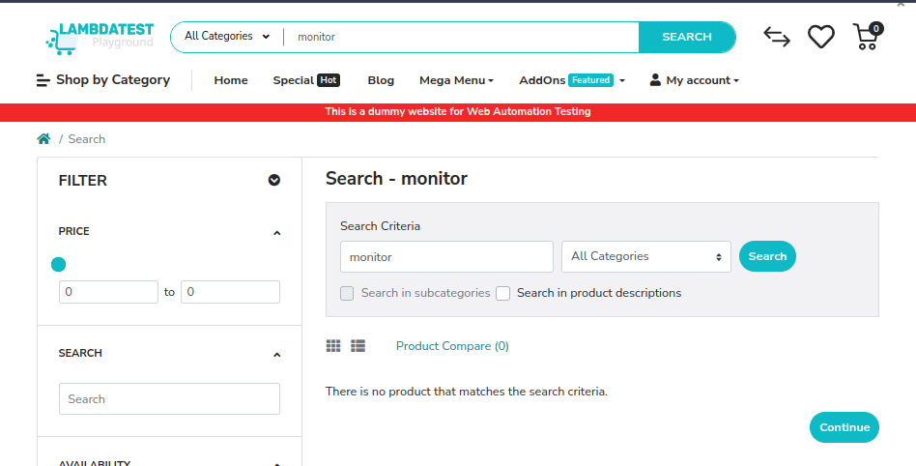
Search | SEARCH013 | Functional | Verify user can search with filters applied | None | 1.Visit the URL : https://ecommerce-playground.lambdatest.io/index.php?route=product/search 2.Select A Category Filter 3.Enter A Product Name 4.Click'Search' | Product Name:'Apple' | Results Should Be Filtered Accordingly Based On The Selected Category. | Filtered Products Displayed. | Pass
Search | SEARCH014 | Functional | Verify user can search without entering any criteria | None | 1.Visit The URL :https://ecommerce-playground.lambdatest.io/index.php?route=product/search 2.Click'Search' Without Entering Any Value | N/A | All Products Should Be Displayed Or A Prompt To Enter Search Criteria | All Products Displayed. | Pass
Search | SEARCH015 | Functional | Verify search is case insensitive | None | 1.Visit The URL : https://ecommerce-playground.lambdatest.io/index.php?route=product/search 2.Enter The Product Name In Different Cases (E.g., "Laptop", "laptop") 3.Click'Search' | Product Name:"Laptop" | Relevant Product Results Should Be Displayed Regardless Of Case. | Relevant Products Displayed. | Pass
Search | SEARCH016 | Functional | Verify special characters in search | None | 1.Visit The URL : https://ecommerce-playground.lambdatest.io/index.php?route=product/search 2. Enter a product name with special characters (e.g., "@Monitor#") 3. Click "Search" | Product name: "@Monitor#" | Relevant product results should be displayed or a message indicating no results | No products found message displayed | Pass
Search | SEARCH017 | Functional | Verify search results maintain pagination | Search performed | 1.Visit The URL : https://ecommerce-playground.lambdatest.io/index.php?route=product/search 2. Enter a known product name 3. Click "Search" 4. Navigate to the next page of results | Product name: "iPhone" | The next page should display more relevant product results | Pagination worked correctly | Pass
Search | SEARCH018 | Functional | Verify user can navigate back from search results. | Search performed | 1.Visit The URL : https://ecommerce-playground.lambdatest.io/index.php?route=product/search 2. Perform a search for a known product 3. Click on a product to view details 4. Click "Back" | Product name: "iPhone" | User should return to the previous search results page | Back navigation worked correctly | Pass
Search | SEARCH019 | Functional | Verify that search results are displayed quickly | None | 1.Visit The URL : https://ecommerce-playground.lambdatest.io/index.php?route=product/search 2. Perform a search for a known product | Product name: "iPhone" | Search results should be displayed within a reasonable time frame (e.g., less than 2 seconds) | Search results displayed promptly | Pass
Cart | CART001 | Functional | Verify user can add a product to the cart | Valid product link | 1. Visit the URL on the browser: https://ecommerce-playground.lambdatest.io/index.php?route=common/home 2. Search for a product 3. Click 'Add to Cart' | Product: 'iPhone' | Product should be added to the cart successfully | Product added | Pass
Cart | CART002 | Functional | Verify user can view the cart | Product added to cart | 1. Visit the URL on the browser: https://ecommerce-playground.lambdatest.io/index.php?route=checkout/cart | N/A | Cart should be displayed with correct product details | Correct cart displayed | Pass
Cart | CART003 | Functional | Verify user can update product quantity in cart | Product in cart | 1. Visit the URL on the browser: https://ecommerce-playground.lambdatest.io/index.php?route=checkout/cart 2. Change quantity of a product 3. Click 'Update' | Product: 'iPhone', Quantity: '2' | Quantity should be updated successfully | Quantity updated | Pass
Cart | CART004 | Functional | Verify user can remove a product from cart | Product in cart | 1. Visit the URL on the browser: https://ecommerce-playground.lambdatest.io/index.php?route=checkout/cart 2. Click 'Remove' next to the product | Product: 'iPhone' | Product should be removed from the cart successfully | Product removed | Pass
Cart | CART005 | Functional | Verify user can view total price in cart | Product in cart | 1. Visit the URL on the browser: https://ecommerce-playground.lambdatest.io/index.php?route=checkout/car 2. Check total price | Product: 'iPhone' | Total price should be calculated correctly | Price calculated correctly | Pass
Cart | CART006 | Functional | Verify user can apply a coupon code | Valid product in cart | 1. Visit the URL on the browser: https://ecommerce-playground.lambdatest.io/index.php?route=checkout/cart 2. Enter valid coupon code; 3. Click 'Apply' | Coupon code: 'SAVE10' | Discount should be applied successfully | Discount applied | Pass
Cart | CART007 | Functional | Verify user can view delivery options | Product in cart | 1. Visit the URL on the browser: https://ecommerce-playground.lambdatest.io/index.php?route=checkout/cart 2. Click on 'Delivery Options' | N/A | Delivery options should be displayed correctly | No delivery options displayed | Fail | 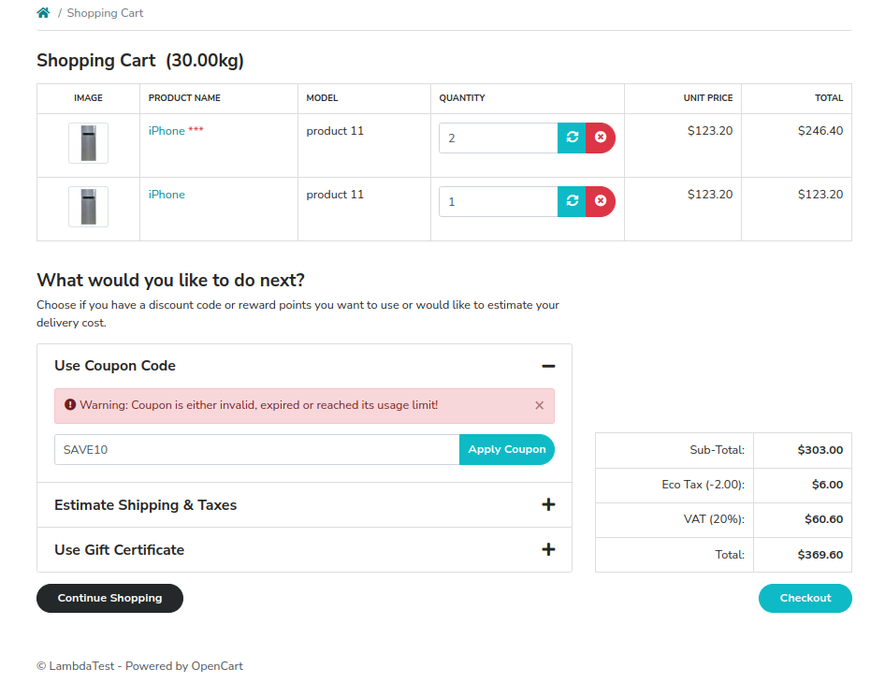
Cart | CART008 | Functional | Verify user can proceed to checkout | Product in cart | 1. Visit the URL on the browser: https://ecommerce-playground.lambdatest.io/index.php?route=checkout/cart 2. Click 'Proceed to Checkout' | N/A | User should be taken to the checkout page | Checkout page displayed | Pass
Cart | CART009 | Functional | Verify user can save items for later | Product in cart | 1. Visit the URL on the browser: https://ecommerce-playground.lambdatest.io/index.php?route=checkout/cart 2. Click 'Save for Later' | Product: 'iPhone' | Item should be moved to the saved items list | No option for "Item saved for later" | Fail | 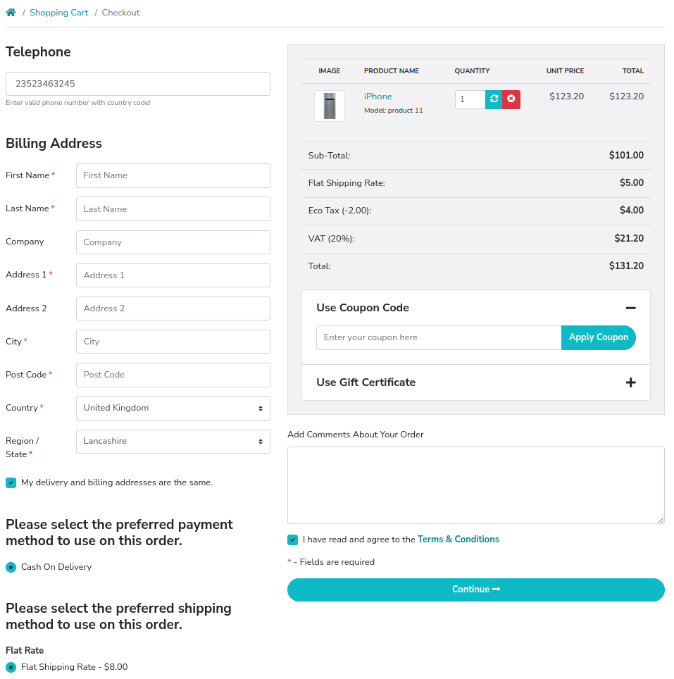
Cart | CART010 | Functional | Verify user can clear the cart | Product in cart | 1. Visit the URL on the browser: https://ecommerce-playground.lambdatest.io/index.php?route=checkout/cart 2. Click 'Clear Cart' | N/A | Cart should be emptied successfully | Option to clear cart is not available. | Fail | 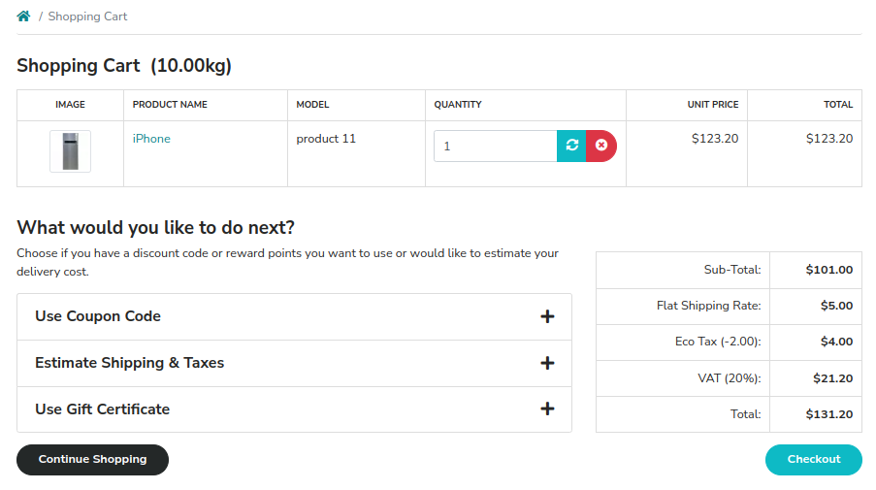
Cart | CART011 | Functional | Verify user can view product details in cart | Product in cart | 1. Visit the URL on the browser: https://ecommerce-playground.lambdatest.io/index.php?route=checkout/cart 2. Click on a product | Product: 'iPhone' | Product details should be displayed correctly. | Product details are not displayed. | Fail
Cart | CART012 | Functional | Verify user can see estimated delivery time | Product in cart | 1. Visit the URL on the browser: https://ecommerce-playground.lambdatest.io/index.php?route=checkout/cart; 2.Check estimated delivery time. | N/A. | Estimated delivery time should be displayed correctly. | Delivery time not displayed. | Fail
Cart | CART013 | Functional | Verify user can add multiple products to cart | Valid product links | 1. Visit the URL on the browser: https://ecommerce-playground.lambdatest.io/index.php?route=common/home 2.Add multiple products to the cart. | Products: 'iPhone, Monitor' | All products should be added to the cart successfully. | Products added. | Pass
Cart | CART014 | Functional | Verify user can view related products in cart | Product in cart | 1. Visit the URL on the browser: https://ecommerce-playground.lambdatest.io/index.php?route=checkout/cart 2.Check related products. | N/A. | Related products should be displayed. | No related products displayed. | Fail
Cart | CART015 | Functional | Verify user can view seller information | Valid product in cart | 1.Visit The URL On The Browser: https://ecommerce-playground.lambdatest.io/index.php?route=checkout/cart 2.Check Seller Information. | Product:'iPhone' | Seller information should be displayed correctly. | Seller info is not displayed. | Fail
User Management | USER001 | Functional | Verify user can register a new account | None | 1. Visit the URL on the browser: https://ecommerce-playground.lambdatest.io/index.php?route=account/register 2. Fill in registration details 3. Click 'Continue' | Registration details | Account should be created successfully. | Account created successfully | Pass
User Management | USER002 | Functional | Verify user can login with valid credentials | Account created | 1. Visit the URL on the browser: https://ecommerce-playground.lambdatest.io/index.php?route=account/login 2. Enter valid email and password; 3. Click 'Login' | Valid email and password | User should be logged in successfully. | User logged in successfully | Pass
User Management | USER003 | Functional | Verify user cannot login with invalid credentials | None | 1. Visit the URL on the browser: https://ecommerce-playground.lambdatest.io/index.php?route=account/login 2. Enter invalid email and password 3. Click 'Login' | Invalid email and password | Error message should be displayed. | Error message displayed | Pass
User Management | USER004 | Functional | Verify user can update account details | User logged in | 1. Visit the URL on the browser: https://ecommerce-playground.lambdatest.io/index.php?route=account/account 2. Update account details 3. Click 'Save' | New account details | Account details should be updated successfully. | Account updated successfully | Pass
User Management | USER005 | Functional | Verify user can change password | User logged in | 1. Visit the URL on the browser: https://ecommerce-playground.lambdatest.io/index.php?route=account/account 2. Enter current password 3. Enter new password 4. Click 'Save' | Current password, New password | Password should be changed successfully. | Password changed successfully | Pass
User Management | USER006 | Functional | Verify user can logout | User logged in | 1. Visit the URL on the browser: https://ecommerce-playground.lambdatest.io/index.php?route=account/account 2. Click 'Logout' | N/A | User should be logged out successfully. | User logged out successfully | Pass
User Management | USER007 | Functional | Verify user can delete account | User logged in | 1. Visit the URL on the browser: https://ecommerce-playground.lambdatest.io/index.php?route=account/account 2. Click 'Delete Account' | N/A | Account should be deleted successfully. | Account delete option is not available | Fail
User Management | USER008 | Functional | Verify user can view order history | User logged in | 1. Visit the URL on the browser: https://ecommerce-playground.lambdatest.io/index.php?route=account/order 2. Check the list of past orders. | N/A | User should see a list of past orders. | List of past orders displayed | Pass
User Management | USER009 | Functional | Verify user cannot register with existing email | Account created | 1. Visit the URL on the browser: https://ecommerce-playground.lambdatest.io/index.php?route=account/register 2. Enter existing email 3. Click 'Continue' | Existing email | Error message should be displayed for existing email. | Error message displayed | Pass
User Management | USER010 | Functional | Verify user can receive email notifications | User logged in | 1. Place an order 2. Check email notifications for updates. | Order placed | User should receive email notifications. | No email notifications received | Fail
User Management | USER011 | Functional | Verify user can change language preferences | User logged in | 1. Visit the URL on the browser: https://ecommerce-playground.lambdatest.io/index.php?route=account/account 2. Change language preferences 3. Click 'Save' | New language preference | Language preference should be updated successfully. | Language preference functionality isn,t available | Fail
User Management | ORDER001 | Functional | Verify user can view order history | Logged-in user | 1. Visit the URL on the browser: https://ecommerce-playground.lambdatest.io/index.php?route=account/order 2. Check the list of orders | N/A | Order history should be displayed correctly. | Order history displayed | Pass
User Management | ORDER002 | Functional | Verify user can view order details | Valid order ID | 1. Visit the URL on the browser: https://ecommerce-playground.lambdatest.io/index.php?route=account/order 2. Check order details | Valid order ID | Order details should be displayed correctly. | Order details displayed | Pass
User Management | ORDER003 | Functional | Verify user can reorder a previous order | Valid order ID | 1. Visit the URL on the browser: https://ecommerce-playground.lambdatest.io/index.php?route=account/order 2. Click 'Reorder' | Valid order ID | Previous order should be added to the cart successfully. | Order added to cart | Pass
User Management | ORDER004 | Functional | Verify user can track order status | Valid order ID | 1. Visit the URL on the browser: https://ecommerce-playground.lambdatest.io/index.php?route=account/order 2. Check order status | Valid order ID | Current status of the order should be displayed correctly. | Order status not displayed | Fail
User Management | ORDER005 | Functional | Verify user can cancel an order | Valid order ID, order status "Pending" | 1. Visit the URL on the browser: https://ecommerce-playground.lambdatest.io/index.php?route=account/order 2. Click 'Cancel Order' | Valid order ID | Order should be canceled successfully. | Order canceled functionality isn't available. | Fail
User Management | ORDER006 | Functional | Verify user can leave a comment on an order | Valid order ID | 1. Visit the URL on the browser: https://ecommerce-playground.lambdatest.io/index.php?route=account/order 2. Enter comment details 3. Submit comment | Valid order ID | Comment should be submitted successfully. | Not available | Fail
User Management | ORDER007 | Functional | Verify order confirmation email is sent | Valid email address | 1. Place an order 2. Check email inbox | Valid email address | Order confirmation email should be received. | Email not received | Fail
User Management | ORDER008 | Functional | Verify user can filter orders by status | Logged-in user | 1. Visit the URL on the browser: https://ecommerce-playground.lambdatest.io/index.php?route=account/order 2. Select order status filter | N/A | Orders should be filtered by selected status. | Orders filtered | Pass
User Management | ORDER009 | Functional | Verify user can download invoices for orders | Valid order ID | 1. Visit the URL on the browser: https://ecommerce-playground.lambdatest.io/index.php?route=account/order 2. Click 'Download Invoice' | Valid order ID | Invoice should be downloaded successfully. | Function isn't available | Fail
User Management | ORDER010 | Functional | Verify user can view payment information | Valid order ID | 1. Visit the URL on the browser: https://ecommerce-playground.lambdatest.io/index.php?route=account/order 2. Check payment information | Valid order ID | Payment information should be displayed correctly. | Payment information not displayed | Fail
User Management | ORDER011 | Functional | Verify user can view delivery address | Valid order ID | 1. Visit the URL on the browser: https://ecommerce-playground.lambdatest.io/index.php?route=account/order 2. Check delivery address | Valid order ID | Delivery address should be displayed correctly. | Delivery address not displayed | Fail
User Management | ORDER012 | Functional | Verify user can view shipping method | Valid order ID | 1. Visit the URL on the browser: https://ecommerce-playground.lambdatest.io/index.php?route=account/order 2. Check shipping method | Valid order ID | Shipping method should be displayed correctly. | Shipping method not displayed | Fail
User Management | ORDER013 | Functional | Verify user can update billing information | Logged-in user | 1. Visit the URL on the browser: https://ecommerce-playground.lambdatest.io/index.php?route=account/account 2. Update billing details 3. Save changes | Updated billing info | Billing information should be updated successfully. | Billing functionality isn't available. | Fail
User Management | ORDER014 | Functional | Verify user can view payment history | Logged-in user | 1. Visit the URL on the browser: https://ecommerce-playground.lambdatest.io/index.php?route=account/recurring 2. Check payment history | N/A | Payment history should be displayed correctly. | Payment history displayed | Pass
User Management | ORDER015 | Functional | Verify user can view order totals | Valid order ID | 1. Visit the URL on the browser: https://ecommerce-playground.lambdatest.io/index.php?route=account/order 2. Check total amount | Valid order ID | Total amount should be displayed correctly. | Total amount displayed | Pass
User Management | ORDER016 | Functional | Verify user can view order creation date | Valid order ID | 1. Visit the URL on the browser: https://ecommerce-playground.lambdatest.io/index.php?route=account/order 2. Check order date | Valid order ID | Order creation date should be displayed correctly. | Order creation date displayed | Pass
User Management | ORDER017 | Functional | Verify user can check refund status | Valid order ID | 1. Visit the URL on the browser: https://ecommerce-playground.lambdatest.io/index.php?route=account/order 2. Check refund information | Valid order ID | Refund status should be displayed correctly. | Refund stauts functionality isn't available | Fail
User Management | ORDER018 | Functional | Verify user can contact support regarding an order | Valid order ID | 1. Visit the URL on the browser: https://ecommerce-playground.lambdatest.io/index.php?route=account/order 2. Enter order ID and message 3. Submit | Valid order ID | Support request should be sent successfully. | Support request function isn't available | Fail
User Management | ORDER019 | Functional | Verify user can view promotional offers related to orders | Logged-in user | 1. Visit the URL on the browser: https://ecommerce-playground.lambdatest.io/index.php?route=account/order 2. Check for any promotions | N/A | Promotional offers should be displayed correctly. | Promotional offers are not displayed | Fail
User Management | ORDER020 | Functional | Verify user can view transaction ID for payment | Valid order ID | 1. Visit the URL on the browser: https://ecommerce-playground.lambdatest.io/index.php?route=account/order 2. Check transaction ID | Valid order ID | Transaction ID should be displayed correctly. | Transaction ID not displayed | Fail
Payment | PAY001 | Functional | Verify payment option is present on checkout page | Logged-in user with items in cart | 1. Visit the URL on the browser: https://ecommerce-playground.lambdatest.io/index.php?route=checkout/checkout 2. Check for payment options | N/A | Payment options should be displayed on the checkout page | Payment option is displayed | Pass
Payment | PAY002 | Functional | Verify user can select a payment option | Logged-in user with items in cart | 1. Visit the URL on the browser: https://ecommerce-playground.lambdatest.io/index.php?route=checkout/checkout 2. Attempt to select a payment option | N/A | User should be able to select a payment option | Unable to select a payment option | Not Executed
Payment | PAY003 | Functional | Verify error message displayed when payment option is unavailable | Logged-in user with items in cart | 1. Visit the URL on the browser: https://ecommerce-playground.lambdatest.io/index.php?route=checkout/checkout 2. Attempt to proceed without a payment option | N/A | Error message should be displayed stating that payment option is unavailable | Error message not displayed | Not Executed
Payment | PAY004 | Functional | Verify that the system does not allow checkout without payment method | Logged-in user with items in cart | 1. Visit the URL on the browser: https://ecommerce-playground.lambdatest.io/index.php?route=checkout/checkout 2. Attempt to complete checkout | N/A | Checkout should not be completed without a payment method | Checkout was completed | Not Executed
Payment | PAY005 | Functional | Verify that payment process cannot be initiated | Logged-in user with items in cart | 1. Visit the URL on the browser: https://ecommerce-playground.lambdatest.io/index.php?route=checkout/checkout 2. Click on 'Proceed to Payment' | N/A | Payment process should not be initiated | Payment process initiated | Not Executed
Payment | PAY006 | Functional | Verify that order cannot be placed without payment | Logged-in user with items in cart | 1. Visit the URL on the browser: https://ecommerce-playground.lambdatest.io/index.php?route=checkout/checkout 2. Proceed to checkout without selecting a payment method | N/A | Order should not be placed without a payment method. | Order was placed successfully without payment | Not Executed
Payment | PAY007 | Functional | Verify that order placed without payment shows as unpaid | Logged-in user with items in cart | 1. Place an order without completing the payment step 2. Check order status | N/A | Order status should indicate unpaid. | Order status is marked as completed | Not Executed
Payment | PAY008 | Functional | Verify user is notified about missing payment method | Logged-in user with items in cart | 1. Visit the URL on the browser: https://ecommerce-playground.lambdatest.io/index.php?route=checkout/checkout 2. Attempt to complete the checkout without a payment method | N/A | User should receive a notification/error about the missing payment method. | No notification shown | Not Executed
Payment | PAY009 | Functional | Verify that order completion process has a payment check | Logged-in user with items in cart | 1. Visit the URL on the browser: https://ecommerce-playground.lambdatest.io/index.php?route=checkout/checkout 2. Place an order without payment | N/A | System should prevent order completion without a payment check. | Order completed without payment | Not Executed
Payment | PAY010 | Functional | Verify that the system logs orders placed without payment | Logged-in user with items in cart | 1. Place an order without a payment method 2. Check the order history | N/A | Order should not be logged in the system as a completed order. | Order logged as completed | Not Executed

